Assignment
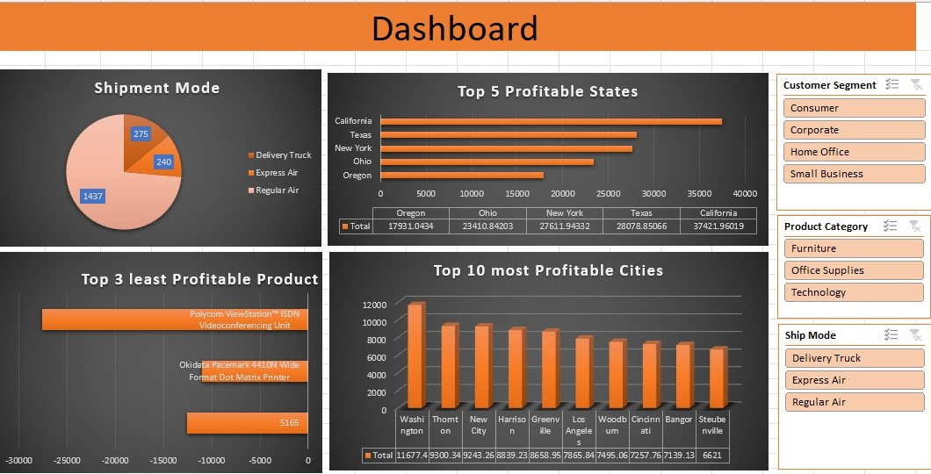
 | Import file ' Sales Data set ' with use of Power Query.
 | Sales Data set' contains 3 sheets, use Power Pivot to establish relationship, Query to Clean and upload the data into Data Model.
 | Create different Reports, Use maximum features offered in power pivot. Use Different types of appropriate Graphs/Charts
 | Use Slicers, Timeline, Formatting techniques to create a Dashboard.
 | Analyze the Dataset and Create a Dashboard.

 | Sample Reports:
 | Most Used Shipment Mode
 | Top 5 Profitable States
 | Top 3 least Profitable Product Sub- Categories
 | Top 10 most Profitable Cities

 | And any new insights you can gain out of the data

NOTE: | You can choose chart as per your preference, Below screenshot is added just for your reference

Sheet3
Row Labels | Sum of Profit | Row Labels | Sum of Profit
Oregon | 17931.0434 | 5165 | -12548.9461
Ohio | 23410.842026 | Okidata Pacemark 4410N Wide Format Dot Matrix Printer | -10999.533192
New York | 27611.943319 | Polycom ViewStation™ ISDN Videoconferencing Unit | -27621.245408
Texas | 28078.85066 | Grand Total | -51169.7247
California | 37421.960192
Grand Total | 134454.6396 |  |  | Row Labels | Sum of Profit
 |  |  |  | Polycom ViewStation™ ISDN Videoconferencing Unit | -27621.245408
 |  |  |  | Okidata Pacemark 4410N Wide Format Dot Matrix Printer | -10999.533192
 |  |  |  | 5165 | -12548.9461
Row Labels | Sum of Profit | Row Labels | Count of Sales | Grand Total | -51169.7247
Washington | 11677.3631 | Delivery Truck | 275
Thornton | 9300.3401 | Express Air | 240
New City | 9243.2577 | Regular Air | 1437
Harrison | 8839.22946 | Grand Total | 1952
Greenville | 8658.95058
Los Angeles | 7865.83718
Woodburn | 7495.061
Cincinnati | 7257.76
Bangor | 7139.13015
Steubenville | 6621.002 |  |  |  | Row Labels | Sum of Sum of Profit
Grand Total | 84097.93127 |  |  |  | Polycom ViewStation™ ISDN Videoconferencing Unit | -27621.245408
 |  |  |  |  | Okidata Pacemark 4410N Wide Format Dot Matrix Printer | -10999.533192
 |  |  |  |  | Grand Total | -51169.7247
 |  |  |  |  | 5165 | -12548.9461
 |  |  |  |  | Grand Total | -102339.4494

Sheet1
SALES DASHBOARD

Top 5 Profitable States
 | Total
Oregon | 17931.0434
Ohio | 23410.842026
New York | 27611.943319
Texas | 28078.85066
California | 37421.960192
Shipment Mode
 | Total
Delivery Truck | 275
Express Air | 240
Regular Air | 1437

Top 3 Least Profitable Product
 | Total
5165 | -12548.9461
Okidata Pacemark 4410N Wide Format Dot Matrix Printer | -10999.533192
Polycom ViewStation™ ISDN Videoconferencing Unit | -27621.245408
Top 10 Most Profitable Cities
 | Total
Washington | 11677.3631
Thornton | 9300.3401
New City | 9243.2577
Harrison | 8839.22946
Greenville | 8658.95058
Los Angeles | 7865.83718
Woodburn | 7495.061
Cincinnati | 7257.76
Bangor | 7139.13015
Steubenville | 6621.002

